Sheet1
No | Title | Sub Theme | Authors | Year | Journal | Volume/Issue | Summary | Data | Variable | Method | Model | Result | Paper Link
1 | The Economics of Natural Disasters in a Developing Country: The Case of Vietnam | Economics and disasters | Ilan Noy Tam Bang Vu | 2010 | Journal of Asian Economics | Volume 21, Pages 345-354 | The paper examines the impact of natural disasters on annual output growth in Vietnam, using provincial data for primary and secondary industries. The authors employ the Blundell–Bond General Method of Moments (GMM) procedure to estimate the impact of disasters on the macroeconomy. The study finds that more lethal disasters result in lower output growth, but disasters that destroy more property and capital actually appear to boost the economy in the short run. This supports the 'investment-producing destruction' hypothesis. The macroeconomic impact of disasters varies across different geographical regions, possibly due to differences in the ability to generate transfers from the central government. | Provincial data on natural disasters and their impacts for 64 provinces in Vietnam. Data on output values for primary (agricultural, forestry, fishery) and secondary (industry) sectors from 1995 to 2006. Data on domestic trade, school enrollments, freight traffic, and health care from Vietnam’s Statistical Yearbooks by the General Statistics Office of Vietnam. | Disaster magnitude measures: Number of people killed (KILP), number of people affected (AFFP), and amount of direct damage (DAMO). Control variables: Freight traffic as infrastructure (INFRA), domestic trade (TRADE), education (EDUC), health care (HEALTH), and output (OUT). | The authors use a dynamic panel data model to estimate the impact of natural disasters on output and output growth. The methodology includes the Blundell–Bond System General Method of Moments (GMM) procedure, which is a refinement of the Arellano–Bond and Arellano–Bover procedures. The model accounts for the presence of lagged dependent variables and endogeneity, and the Akaike Information Criterion (AIC) and Schwarz Bayesian Information Criterion (BIC) are used to determine the number of lags. | Y is alternatively annual output or the annual output growth rate, i is a provincial index, and t the time index. a1i and a2t are the region and time-fixed effects, DMSi,t is our measure for disaster magnitude, estimated separately for each type of damage (either KILP, AFFP, or DAMO), and Xi,t,1are the lagged control variables as described in the previous section. | The study finds that lethal disasters negatively impact annual output growth, while disasters that cause significant property and capital destruction may lead to positive output growth in the short term. The results also indicate that regions with better access to reconstruction funds, particularly the Southeast area of Vietnam, experience faster output growth following disasters. | The Economics of Natural Disasters in a Developing Country: The Case of Vietnam
2 | The Effect of the Earthquake in Central Italy on the Depopulation of the Affected Territories | Economics and disasters | Davide Dottori | 2023 | Regional Science and Urban Economics | Volume 105 | The paper investigates the impact of the 2016 earthquake in Central Italy on the depopulation of the affected territories. The study leverages municipal-level data to assess the impact on resident populations. The demographic decline that was already ongoing in the area before the earthquake significantly worsened afterward. Using a difference-in-differences event-study model, the study finds that the earthquake exacerbated the population decrease by almost two-fifths of the reduction observed. The effect was more pronounced in municipalities that suffered the most damage and led to an increased share of the elderly population, primarily driven by worsening net internal migration. | Municipal-level data on resident populations, birth and death rates, and migration flows from the Italian National Institute of Statistics (Istat) from 2002 to 2022. Geomorphological characteristics of the municipalities, damage intensity from the Report of Commissario Straordinario Ricostruzione Sisma (2021). Time period: 2002 - 2022 (earthquake was in 2016) | Demographic variables: Resident population, age structure (population under 15 and over 64 years), natural increase (births minus deaths), net internal migration, and net international migration. Control variables: Geographical characteristics (altitude, rural/urban classification), macroarea dummy variables, and interaction terms to control for heterogeneous trends. | The study employs a difference-in-differences (diff-in-diff) event-study econometric model to estimate the earthquake's impact on population dynamics. The model includes municipality and year fixed effects and interactions with control variables such as age structure and geographical characteristics to account for heterogeneous trends. |  | The earthquake had a significant negative impact on the population of the affected areas, with the estimated effect after six years amounting to about 2.4 percentage points. The impact was larger in the most severely damaged municipalities, reaching up to 4.5 percentage points. The study also found that the earthquake led to a significant increase in the proportion of the elderly population in the affected areas. | https://www.sciencedirect.com/science/article/pii/S0166046224000097
3 | Medium-run Local Economic Effects of a Major Earthquake | Economics and disasters | Paula Aguirre Kenzo Asahi Diego Diaz-Rioseco Ignacio Riveros Rodrigo O. Valdes | 2023 | Journal of Economic Geography | Volume 23, Pages 277-297 | This paper examines the medium-run economic impacts of the 2010 earthquake in Chile using value-added tax (VAT) collection as a proxy for economic activity at the municipal level. The study finds that affected municipalities experienced a significant and persistent drop in economic activity, approximately 10% lower than unaffected municipalities even 8-9 years after the event. The paper discusses the assumption of conditional parallel trends and confirms the robustness of the results using alternative estimation methods. | Municipal-level VAT collection data from 2005 to 2018 for almost all municipalities in Chile. Peak Ground Acceleration (PGA) as a measure of earthquake intensity. Socioeconomic variables including poverty rate, urban population share, productivity, population, and the percentage of concrete houses. Time period: 2005 - 2018 (earthquake was in 2010) | Economic activity: Real VAT collection. Earthquake intensity: PGA (Peak Ground Acceleration). Control variables: Poverty rate, urban population share, productivity, population, share of concrete houses. | The authors use a difference-in-differences estimation strategy with a two-way fixed-effects model to identify the economic impact of the earthquake. They compare affected and unaffected municipalities over a period from 4 years before to 9 years after the earthquake. |  | The earthquake had a significant negative impact on economic activity in the affected municipalities. The most affected municipalities collected 20% less VAT than unaffected areas 8 years after the earthquake, translating to a significant economic activity difference of approximately 10%. The results are robust across various alternative estimation methods, including controlling for spatial spillovers. | https://academic.oup.com/joeg/article-abstract/23/2/277/6588146
5 | Assessing "Invisible Loss" During Medium-Term Earthquake Recovery: The Case of Indonesia's 2016 Aceh Earthquakes | Economics and disasters | Sonia Akter Talitha Fauzia Chairunissa Madhavi Pundit | 2024 | Economics of Disasters and Climate Change |  | This study presents a medium-term assessment of earthquake recovery in Indonesia, focusing on the non-economic welfare losses resulting from the indirect impacts of the 2016 Aceh earthquakes. Using a difference-in-differences method, the study compares non-economic welfare indicators between earthquake-affected and unaffected villages two years before (2014) and two years after (2018) the earthquakes. Administrative data and night-time light data from the VIIRS instrument are used to measure these losses. The findings indicate a significant deterioration in access to healthcare, increased poverty, and reduced access to socio-economic services in affected villages, with nightlight data providing contrasting results. The study concludes that the detrimental effects of the earthquakes on non-economic welfare persisted long after the initial event. | Village Potential Statistics (Podes) data from 2014 and 2018 covering around 9,000 villages in Nanggroe Aceh Darussalam. Night-time light data from the Visible Infrared Imaging Radiometer Suite (VIIRS) for the period 2014-2021. UNOSAT data to measure the proximity of villages to earthquake epicenters. Time period: 2014 - 2018 (earthquake was in 2016) | Non-economic welfare indicators: Access to healthcare, incidence of poverty, access to socio-economic services. Control variables: Road conditions, public transportation availability, and village proximity to earthquake epicenters. | The study applies a difference-in-differences (DiD) method to assess the impact of the earthquake on non-economic welfare indicators. The methodology involves comparing affected villages within 20 km of the earthquake epicenters to unaffected villages within a 20-40 km radius. The model incorporates both pre- and post-earthquake data to capture the changes in welfare indicators. |  | The study finds a significant negative impact on non-economic welfare indicators in earthquake-affected villages, including reduced access to healthcare, increased malnutrition, decreased availability of clean water and sanitation, and reduced access to socio-economic services. Night-time light data, however, indicated an increase in night-time radiance in affected areas, suggesting reconstruction activities, but not necessarily reflecting improvements in non-economic welfare. | https://link.springer.com/article/10.1007/s41885-024-00153-5
6 | Benefit in the wake of disaster: Long-run effects of earthquakes on welfare in rural Indonesia | Economics and disasters | Jérémie Gignoux Marta Menéndez | 2016 | Journal of Development Economics | Volume 118, Pages 26–44 | This paper investigates the short-, medium-, and long-term economic impacts of earthquakes on rural households in Indonesia. Using longitudinal household panel data and detailed seismological data, it evaluates how households affected by earthquakes recover economically and whether they experience welfare gains in the long run. | Primary Source: Indonesian Family Life Survey (IFLS) panel data collected between 1993 and 2007. Seismic Data: U.S. Geological Survey Centennial Earthquake Catalog for earthquake magnitudes and intensities. Sample Size: 14,773 observations of individuals aged 25–54 in rural areas. Outcomes: Household welfare indicators, including per capita consumption, productive assets, income, and infrastructure. | Dependent Variables: - Household consumption (total, food, non-food). - Asset values (farm, non-farm, land, buildings). - Labor income and wages (self-employed and wage workers). Independent Variables: - Earthquake exposure: Intensity levels (VI or higher) and time-lag effects (short-term, medium-term, and long-term). - Control Variables: Household characteristics (age, gender, education), village infrastructure (roads, electricity), and migration history. | The paper employs fixed-effects panel models combined with a difference-in-differences approach. It leverages the quasi-random spatial and temporal variations of earthquakes to estimate their impacts. | 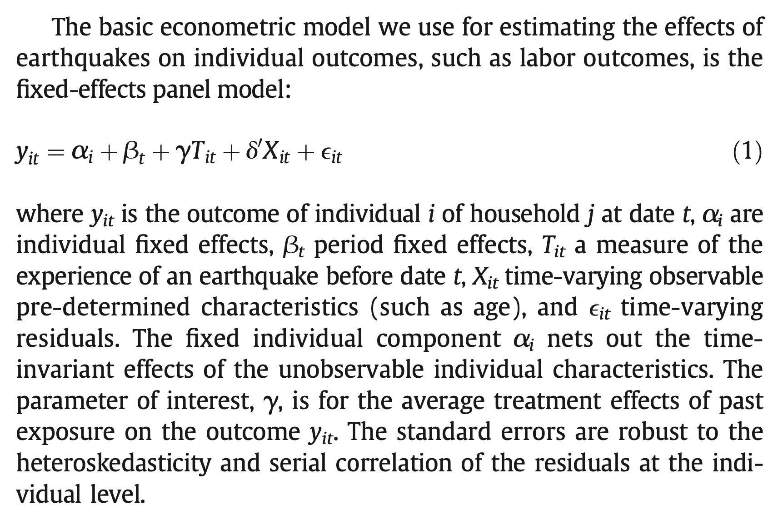 There are a lot of models, check the paper. | 1. Short-Term Effects (0–1 year): Significant losses in consumption (-9.8%) and income due to asset destruction. 2. Medium-Term Effects (2–5 years): - Partial recovery of productive assets and welfare levels. - Infrastructure reconstruction (roads, electrification) supports growth. 3. Long-Term Effects (6–12 years): - Positive welfare gains (9.6% increase in per capita consumption). - Reconstruction efforts lead to better infrastructure and capital renewal (productive assets). 4. Mechanisms of Recovery: - Aid and Transfers: Timely external aid helps rebuild productive assets and prevents poverty traps. - Self-Insurance: Households liquidate savings or sell non-business assets to rebuild. - Infrastructure Improvements: Reconstruction enhances access to markets and productivity. | https://www.sciencedirect.com/science/article/pii/S0304387815000954?casa_token=_VFCaUcRTcgAAAAA:iclvi-4tgJwjcf0ls1ffZXALfLpMr05LiLXoEBJrmzQo8UbQRBCEaQHavReTe98S_dxEufk
7 | Natural Disasters, Mitigation, and Household Welfare in Indonesia: Evidence from a Large-Scale Longitudinal Survey | Economics and disasters | Teguh Dartanto | 2022 | Cogent Economics & Finance | Volume 10, Issue 1 | 1. Short-Term Effects (0–1 year): Significant losses in consumption (-9.8%) and income due to asset destruction. 2. Medium-Term Effects (2–5 years): - Partial recovery of productive assets and welfare levels. - Infrastructure reconstruction (roads, electrification) supports growth. 3. Long-Term Effects (6–12 years): - Positive welfare gains (9.6% increase in per capita consumption). - Reconstruction efforts lead to better infrastructure and capital renewal (productive assets). 4. Mechanisms of Recovery: - Aid and Transfers: Timely external aid helps rebuild productive assets and prevents poverty traps. - Self-Insurance: Households liquidate savings or sell non-business assets to rebuild. - Infrastructure Improvements: Reconstruction enhances access to markets and productivity. | Indonesian Family Life Survey (IFLS) Wave 3 and Wave 4. Village-level data on infrastructure, preparedness, and disaster impacts. | Dependent Variables: Household consumption, poverty status, change in poverty status. Independent Variables: Natural disaster exposure (floods, earthquakes, droughts, forest fires), household characteristics (marital status, educational attainment, age), village-level infrastructure, disaster preparedness measures. | The study employs econometric models, including Ordinary Least Squares (OLS) and logit models, to estimate the effects of natural disasters on household welfare. The models assess the impact on both consumption levels and poverty status, controlling for household and village-level factors. | 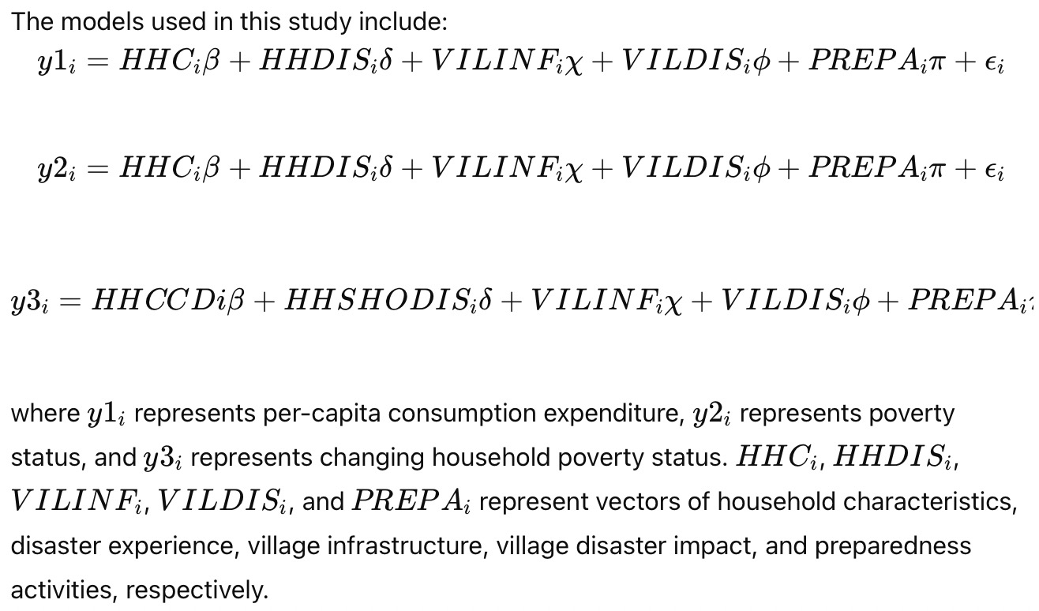 | The study found that earthquakes significantly reduce household welfare, leading to lower per-capita consumption and a higher likelihood of falling into poverty. Forest fires and droughts also negatively impact household consumption. Villages with disaster preparedness practices experience less severe impacts on welfare, highlighting the importance of mitigation efforts in reducing vulnerability. | https://www.tandfonline.com/doi/full/10.1080/23322039.2022.2037250#d1e1873
8 | The impact of the Indian Ocean tsunami on Aceh’s long-term economic growth | Economics and disasters | Martin Philipp Heger Eric Neumayer | 2019 | Journal of Development Economics | 141, Issue 102365 | This study explores the long-term economic impact of the 2004 Indian Ocean tsunami on Aceh, Indonesia, using a quasi-experimental design. It shows that the disaster, coupled with substantial reconstruction aid, resulted in a higher-than-expected economic trajectory for the region, evidenced by sustained increases in GDP and night-lights data for the flooded areas compared to non-flooded counterparts. The study concludes that, under certain conditions, large-scale aid can positively influence post-disaster economic growth. | District-level GDP and sub-district level night-lights data from Aceh, Indonesia. Pre-disaster period: 1999 - 2004 (5 years) Post-disaster period: 2005 - 2012 (8 years) | Dependent Variables: • GDP Growth Rate: Used as a primary measure of economic output at the district level. • Night-Lights Intensity Growth: Used as a proxy for local economic activity at the sub-district level. Independent Variables: • Treatment Dummy: Indicates whether a district was flooded by the tsunami (1 for flooded, 0 for non-flooded). • Tsunami Intensity Measures: • Share of Area Flooded: Percentage of the district/sub-district’s area that was inundated. • Share of Population Flooded: Percentage of the population hypothetically affected by flooding. Other Control Variables (used in robustness checks and to control for variations in growth across districts): • District-Level Fixed Effects: Controls for time-invariant characteristics within districts. • Yearly Fixed Effects: Controls for time-specific effects common to all districts. • Population Density Measures: Used to understand luminosity variations in pre- and post-treatment periods. • Aid Disbursement Timeline: Used to segment the post-tsunami recovery period, tracking the phases of aid and its potential influence on growth. | Difference-in-differences (DiD) regression analysis with robustness checks using synthetic control methods. For additional robustness, the authors also use the synthetic control method. This method constructs a synthetic version of the treated group by creating a weighted average of control units, matching pre-treatment characteristics of the treated districts as closely as possible. | 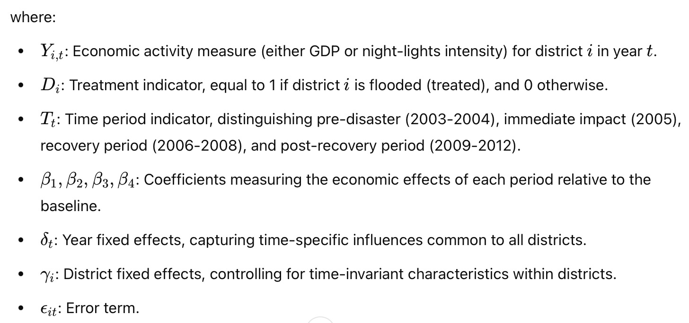 | The tsunami-triggered aid led to a “sustainable recovery beyond the counterfactual trend,” resulting in an economic growth trajectory in Aceh that outperformed non-affected areas, suggesting that significant reconstruction efforts can mitigate and even reverse adverse economic effects in disaster-struck regions.

